i. Cost Sharing-Matching
i. Cost Sharing/Matching
INSTRUCTIONS - PLEASE READ!!! 1. A detailed presentation of the cash or cash value of all cost share/matching proposed by the Eligible Entity must be provided in the table below. Identify the source organization & amount of each cost share item proposed in the award. Any cost share/matching provided by a subrecipient should be entered in tab e. Contractual-Subawards. 2. Cash - Except as expressly provided for in the Infrastructure Act, funds from other Federal programs (including funds from the Commission’s Universal Service Fund programs) may not be used as matching funds. The Infrastructure Act expressly provides that matching funds for the BEAD Program may come from a federal regional commission or authority and from funds that were provided to an Eligible Entity or a subgrantee for the purpose of deploying broadband service under the Families First Coronavirus Response Act (Public Law 116-127; 134 Stat. 178); the CARES Act (Public Law 116-136; 134 Stat. 281), the Consolidated Appropriations Act, 2021 (Public Law 116-260; 134 Stat. 1182); or the American Rescue Plan Act of 2021 (Public Law 117-2; 135 Stat. 4), to the extent permitted by those laws. 3. In Kind - Contributions, which may include third-party in-kind contributions, are non-cash donations of property, goods or services, which benefit a federally assisted project, and which may count toward satisfying the non-federal matching requirement of a project’s total budgeted costs when such contributions meet certain criteria. NTIA encourages applicants to thoroughly consider potential sources of in-kind contributions that, depending on the particular property or service and the applicable federal cost principles, could include employee or volunteer services; equipment; supplies; indirect costs; computer hardware and software; and use of facilities. In the broadband context this could include, consistent with federal cost principles, waiver of fees associated with access to rights of way, pole attachments, c |  |  |  |  |  | 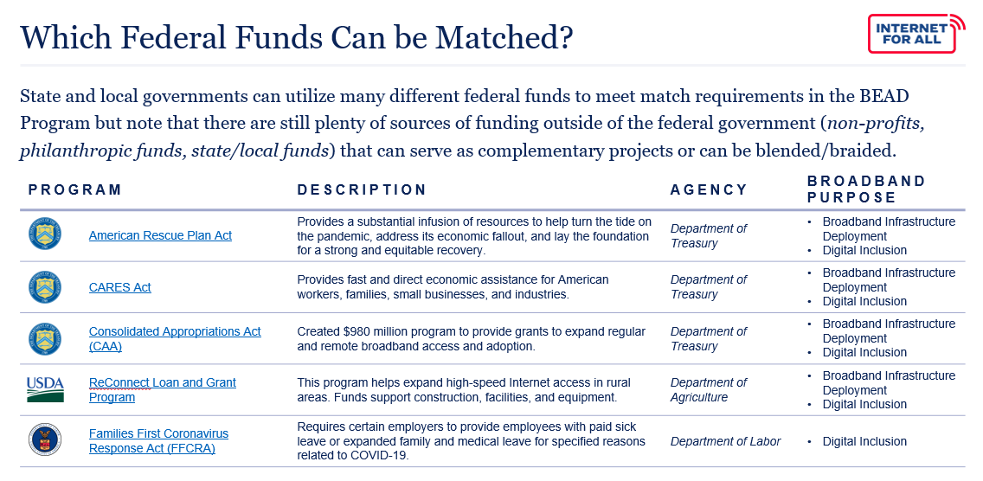

Organization/Source | Cost Share Item/Description | Type (Cash or In Kind) | Source | If Federal source, which Federal Statute? | Total Project Cost Share Value ($)
Example: Department of Treasury | The Department of Treasury has approved $15,000,000 to the Eligible Entity as part of the Capital Projects Fund, authorized by the American Rescue Plan Act, to invest in the construction and deployment of broadband infrastructure designed to deliver service that reliably meets or exceeds symmetrical speeds of 100Mbps so that communities have future-proof infrastructure to serve their long-term needs. | Cash | Federal | American Rescue Plan Act (ARPA) | $15,000,000

Federal |  |  |  |  | $0
State |  |  |  |  | $0
Local |  |  |  |  | $0
Other |  |  |  |  | $0
SUBTOTAL RECIPIENT COST SHARE/MATCHING |  |  |  |  | $0

Subrecipient Cost Share/Matching |  |  |  |  | Total Project Cost Share Value ($)
 |  |  |  | Federal | $0
 |  |  |  | State | $0
 |  |  |  | Local | $0
 |  |  |  | Other | $0
 |  |  |  | TBD | $0
SUBTOTAL SUBRECIPIENT COST SHARE/MATCHING |  |  |  |  | $0

TOTAL COST SHARE/MATCHING |  |  |  |  | $0
Additional Explanation (as needed):

